Sheet1
7369 clerk smith 20
7369 clerk smith 20
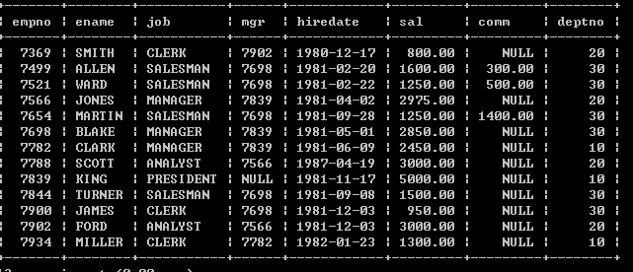
empno
7369 clerk smith 20
7566 manage jones 20
7788 analyst 20
7902 analyst 20

1
7566 manage jones 20
7566 manage jones 20

empno
7499 30
//.......
7788 3000 analyst 20
7902 3000 analyst 20
3000 3000 20 analyst

....

empno
7782 10
//.......
....

test.php

mysql 数据库
mes
id content send_time(int)

